Home
OFS Risk Ranking Tool

IMPORTANT – HOW TO USE THIS TOOL
To ensure the Risk Ranking Tool functions correctly, follow the steps below:
1. Do not open this Excel file directly from email, Microsoft Teams, SharePoint, or a web browser.
2. Save the file to your Desktop or another local folder first.
3. Open the Excel file locally.
4. If the file does not work properly, close it completely.
5. Right-click on the Excel file and select Properties.
6. In the General tab, check “Unblock” (or “Unlock”, if displayed).
7. Click Apply, then OK.
8. Re-open the Excel file and Enable Macros when prompted.

Recordables
Level D Events
Near Misses
Potential Severe Events
Action Tracking System (ATS)

Concern Reports (CRs)
ATS & Concern Reports – Contribution
OFS Risk Ranking

Proactive Risk
Page
Risk Ranking – Calculation Methods
OFS Life Saving Rules Risk Ranking

All Sheets
Home
OFS Risk Register
2022
2024

2025

Recordables
Serial | Hazard Category | Recordables | Level A | Level B | Level C

1 | Access / Egress | 0
2 | Animals/Insects | 0
3 | Accommodation/Lodging | 0
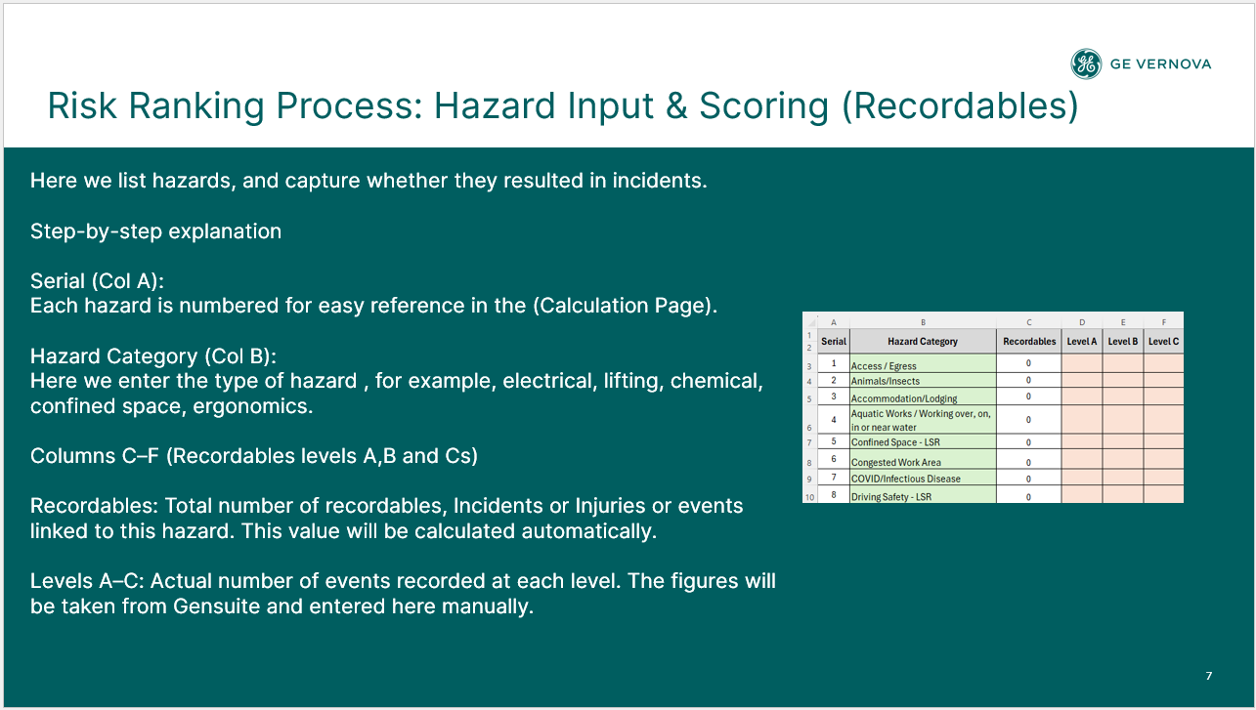
4 | Aquatic Works / Working over, on, in or near water | 0
5 | Confined Space - LSR | 0
6 | Congested Work Area | 0
7 | COVID/Infectious Disease | 0
8 | Driving Safety - LSR | 0
9 | Emergency Preparedness & Response | 0
10 | Energy Isolation - LSR | 0
11 | Environment | 0
12 | Environment/Spill/Waste | 0
13 | Ergonomics | 0
14 | Excavation | 0
15 | Fatigue/Work Stress | 0
16 | Fire and Explosion - LSR | 0
17 | Hazardous Substances | 0
18 | Housekeeping | 0
19 | Industrial Hygiene - Biological | 0
20 | Industrial Hygiene - Chemical | 0
21 | Industrial Hygiene - Physical (Noise, Vibration, Lighting etc.) | 0
22 | Line of Fire - LSR | 1 |  |  | 1
23 | Live Electrical - LSR | 1 |  |  | 1
24 | Machine / Equipment | 0
25 | Manual Handling | 1 |  |  | 1
26 | Mechanical Lifting - LSR | 1 |  |  | 1
27 | Non-powered Hand Tools | 0
28 | Pedestrian and Vehicle Traffic Management | 0
29 | Personal Protective Equipment (PPE) | 0
30 | Pinch Point/Sharp Objects | 2 |  |  | 2
31 | Powered Hand Tools | 1 |  |  | 1
32 | Radiation | 0
33 | Site Welfare Facilities | 0
34 | Systems & Procedures | 0
35 | Walking Working Surfaces | 0
36 | Weather | 0
37 | Work at Height - LSR | 0
38 | Work Authorization - LSR | 0
39 | Working Alone | 0
40 | Forklift & Material Handling | 0
41 |  | 0
42 |  | 0
43 |  | 0
44 |  | 0
45 |  | 0
46 |  | 0
47 |  | 0
48 |  | 0
49 |  | 0
50 |  | 0
51 |  | 0
52 |  | 0
53 |  | 0
54 |  | 0
55 |  | 0
56 |  | 0
57 |  | 0
58 |  | 0
59 |  | 0
60 |  | 0

FA, NMs, PSEs
Serial | Hazard Category | Level Ds | PSEs | NMs

1 | Access / Egress | 1
2 | Animals/Insects | 1
3 | Accommodation/Lodging
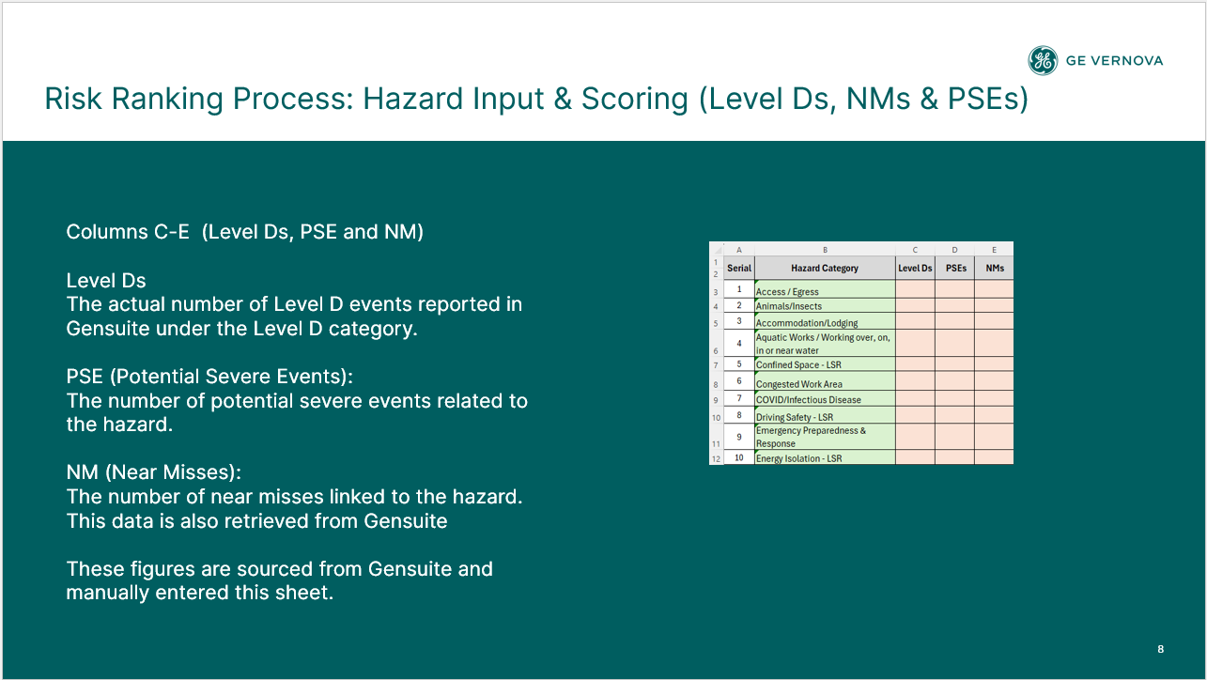
4 | Aquatic Works / Working over, on, in or near water
5 | Confined Space - LSR
6 | Congested Work Area
7 | COVID/Infectious Disease
8 | Driving Safety - LSR | 1 |  | 1
9 | Emergency Preparedness & Response
10 | Energy Isolation - LSR |  |  | 3
11 | Environment
12 | Environment/Spill/Waste
13 | Ergonomics | 1
14 | Excavation
15 | Fatigue/Work Stress
16 | Fire and Explosion - LSR
17 | Hazardous Substances | 2
18 | Housekeeping
19 | Industrial Hygiene - Biological
20 | Industrial Hygiene - Chemical | 1
21 | Industrial Hygiene - Physical (Noise, Vibration, Lighting etc.)
22 | Line of Fire - LSR
23 | Live Electrical - LSR | 3 | 2
24 | Machine / Equipment
25 | Manual Handling | 2
26 | Mechanical Lifting - LSR | 3 |  | 12
27 | Non-powered Hand Tools
28 | Pedestrian and Vehicle Traffic Management | 1
29 | Personal Protective Equipment (PPE)
30 | Pinch Point/Sharp Objects | 3
31 | Powered Hand Tools | 2
32 | Radiation
33 | Site Welfare Facilities
34 | Systems & Procedures
35 | Walking Working Surfaces | 4
36 | Weather | 1
37 | Work at Height - LSR |  |  | 2
38 | Work Authorization - LSR
39 | Working Alone
40 | Forklift & Material Handling |  |  | 2
41 | 0
42 | 0
43 | 0
44 | 0
45 | 0
46 | 0
47 | 0
48 | 0
49 | 0
50 | 0
51 | 0
52 | 0
53 | 0
54 | 0
55 | 0
56 | 0
57 | 0
58 | 0
59 | 0
60 | 0

ATS
Serial | Hazard Category | ATS By Hazard | Total ATS

1 | Access / Egress | 185 | 1990
2 | Animals/Insects | 115 | 1990
3 | Accommodation/Lodging | 5 | 1990
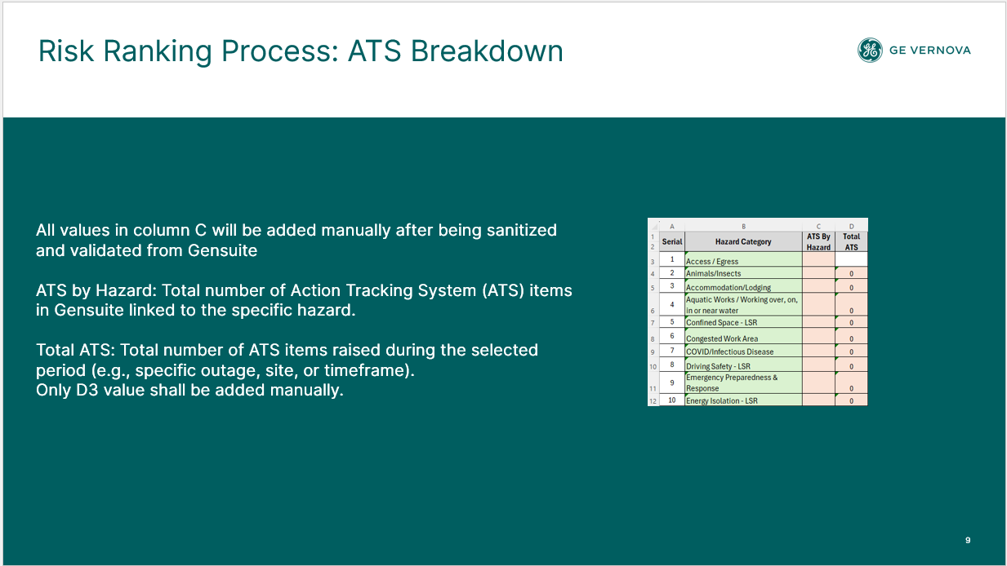
4 | Aquatic Works / Working over, on, in or near water | 95 | 1990
5 | Confined Space - LSR | 6 | 1990
6 | Congested Work Area | 3 | 1990
7 | COVID/Infectious Disease | 5 | 1990
8 | Driving Safety - LSR | 123 | 1990
9 | Emergency Preparedness & Response | 50 | 1990
10 | Energy Isolation - LSR | 8 | 1990
11 | Environment | 6 | 1990
12 | Environment/Spill/Waste | 89 | 1990
13 | Ergonomics | 7 | 1990
14 | Excavation |  | 1990
15 | Fatigue/Work Stress | 29 | 1990
16 | Fire and Explosion - LSR | 67 | 1990
17 | Hazardous Substances | 52 | 1990
18 | Housekeeping | 113 | 1990
19 | Industrial Hygiene - Biological |  | 1990
20 | Industrial Hygiene - Chemical | 7 | 1990
21 | Industrial Hygiene - Physical (Noise, Vibration, Lighting etc.) | 25 | 1990
22 | Line of Fire - LSR | 16 | 1990
23 | Live Electrical - LSR | 2 | 1990
24 | Machine / Equipment | 103 | 1990
25 | Manual Handling | 14 | 1990
26 | Mechanical Lifting - LSR | 60 | 1990
27 | Non-powered Hand Tools | 8 | 1990
28 | Pedestrian and Vehicle Traffic Management | 60 | 1990
29 | Personal Protective Equipment (PPE) | 84 | 1990
30 | Pinch Point/Sharp Objects | 58 | 1990
31 | Powered Hand Tools | 20 | 1990
32 | Radiation |  | 1990
33 | Site Welfare Facilities | 31 | 1990
34 | Systems & Procedures | 91 | 1990
35 | Walking Working Surfaces | 139 | 1990
36 | Weather | 159 | 1990
37 | Work at Height - LSR | 124 | 1990
38 | Work Authorization - LSR | 21 | 1990
39 | Working Alone |  | 1990
40 | Forklift & Material Handling |  | 1990
41 | 0 |  | 1990
42 | 0 |  | 1990
43 | 0 |  | 1990
44 | 0 |  | 1990
45 | 0 |  | 1990
46 | 0 |  | 1990
47 | 0 |  | 1990
48 | 0 |  | 1990
49 | 0 |  | 1990
50 | 0 |  | 1990
51 | 0 |  | 1990
52 | 0 |  | 1990
53 | 0 |  | 1990
54 | 0 |  | 1990
55 | 0 |  | 1990
56 | 0 |  | 1990
57 | 0 |  | 1990
58 | 0 |  | 1990
59 | 0 |  | 1990
60 | 0 |  | 1990

Concern Reports
Serial | Hazard Category | CR By Hazard | Adverse CR | Positive CR | STOP CR | Escalated CR

1 | Access / Egress | 18 |  |  | 18
2 | Animals/Insects | 70 | 53 | 13 | 4
3 | Accommodation/Lodging | 36 | 26 | 10
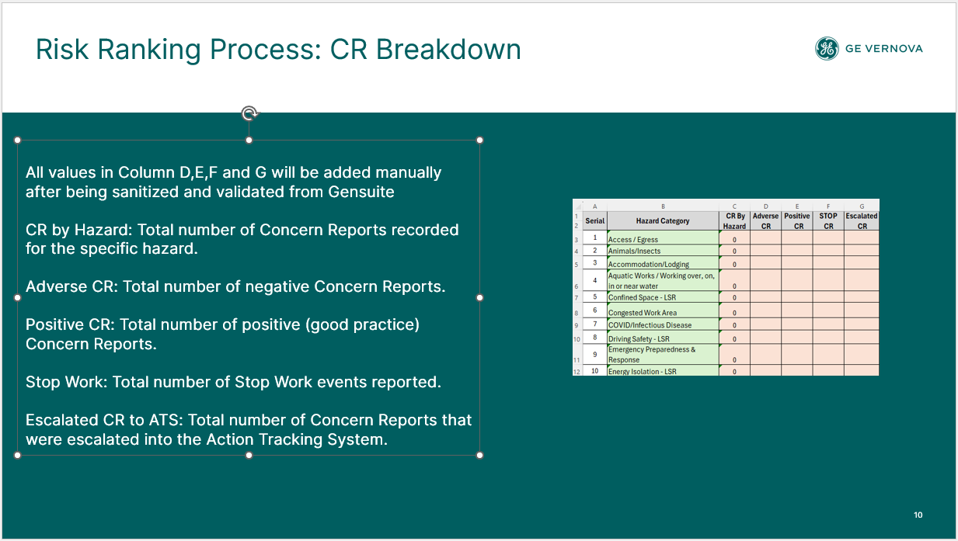
4 | Aquatic Works / Working over, on, in or near water | 0
5 | Confined Space - LSR | 226 | 85 | 116 | 25
6 | Congested Work Area | 234 | 169 | 56 | 9
7 | COVID/Infectious Disease | 0
8 | Driving Safety - LSR | 226 | 117 | 92 | 17
9 | Emergency Preparedness & Response | 245 | 175 | 47 | 23
10 | Energy Isolation - LSR | 237 | 94 | 124 | 19
11 | Environment | 81 | 56 | 25
12 | Environment/Spill/Waste | 370 | 304 | 56 | 10
13 | Ergonomics | 307 | 207 | 73 | 27
14 | Excavation | 0
15 | Fatigue/Work Stress | 29 | 6 | 22 | 1
16 | Fire and Explosion - LSR | 719 | 452 | 160 | 107
17 | Hazardous Substances | 299 | 217 | 61 | 21
18 | Housekeeping | 1743 | 1190 | 535 | 18
19 | Industrial Hygiene - Biological | 0
20 | Industrial Hygiene - Chemical | 282 | 192 | 67 | 23
21 | Industrial Hygiene - Physical (Noise, Vibration, Lighting etc.) | 400 | 317 | 45 | 38
22 | Line of Fire - LSR | 959 | 594 | 257 | 108
23 | Live Electrical - LSR | 371 | 265 | 84 | 22
24 | Machine / Equipment | 449 | 260 | 165 | 24
25 | Manual Handling | 230 | 94 | 125 | 11
26 | Mechanical Lifting - LSR | 2057 | 785 | 1061 | 211
27 | Non-powered Hand Tools | 135 | 95 | 33 | 7
28 | Pedestrian and Vehicle Traffic Management | 128 | 74 | 39 | 15
29 | Personal Protective Equipment (PPE) | 1852 | 1209 | 424 | 219
30 | Pinch Point/Sharp Objects | 485 | 383 | 102
31 | Powered Hand Tools | 297 | 173 | 89 | 35
32 | Radiation | 4 | 3 | 1
33 | Site Welfare Facilities | 176 | 152 | 20 | 4
34 | Systems & Procedures | 1398 | 558 | 747 | 93
35 | Walking Working Surfaces | 1638 | 1352 | 238 | 48
36 | Weather | 344 | 184 | 100 | 60
37 | Work at Height - LSR | 1649 | 1100 | 325 | 224
38 | Work Authorization - LSR | 112 | 55 | 35 | 22
39 | Working Alone | 0
40 | Forklift & Material Handling | 0
41 | 0 | 0
42 | 0 | 0
43 | 0 | 0
44 | 0 | 0
45 | 0 | 0
46 | 0 | 0
47 | 0 | 0
48 | 0 | 0
49 | 0 | 0
50 | 0 | 0
51 | 0 | 0
52 | 0 | 0
53 | 0 | 0
54 | 0 | 0
55 | 0 | 0
56 | 0 | 0
57 | 0 | 0
58 | 0 | 0
59 | 0 | 0
60 | 0 | 0

CR, ATS Contribution
Serial | Hazard Category | ATS contrbution | CR contrbution | AT/C | CR/C

1 | Access / Egress | 5 | 390 | 5 | 0
2 | Animals/Insects | 3 | 69 | 3 | 50
3 | Accommodation/Lodging | 0 | 43 | 0 | 43
4 | Aquatic Works / Working over, on, in or near water | 2 | 0 | 2 | 0
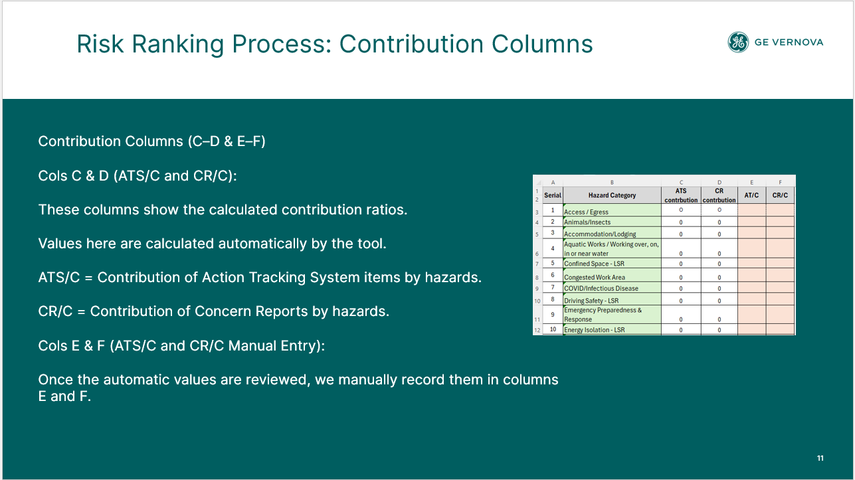
5 | Confined Space - LSR | 0 | 61 | 0 | 20
6 | Congested Work Area | 0 | 59 | 0 | 46
7 | COVID/Infectious Disease | 0 | 0 | 0 | 0
8 | Driving Safety - LSR | 3 | 58 | 3 | 31
9 | Emergency Preparedness & Response | 1 | 81 | 1 | 48
10 | Energy Isolation - LSR | 0 | 50 | 0 | 21
11 | Environment | 0 | 41 | 0 | 41
12 | Environment/Spill/Waste | 2 | 62 | 2 | 53
13 | Ergonomics | 0 | 75 | 0 | 45
14 | Excavation | 0 | 0 | 0 | 0
15 | Fatigue/Work Stress | 1 | 17 | 1 | 4
16 | Fire and Explosion - LSR | 2 | 96 | 2 | 45
17 | Hazardous Substances | 1 | 72 | 1 | 48
18 | Housekeeping | 3 | 44 | 3 | 41
19 | Industrial Hygiene - Biological | 0 | 0 | 0 | 0
20 | Industrial Hygiene - Chemical | 0 | 73 | 0 | 45
21 | Industrial Hygiene - Physical (Noise, Vibration, Lighting etc.) | 1 | 87 | 1 | 55
22 | Line of Fire - LSR | 0 | 81 | 0 | 41
23 | Live Electrical - LSR | 1 | 67 | 1 | 46
24 | Machine / Equipment | 3 | 54 | 3 | 35
25 | Manual Handling | 4 | 38 | 4 | 20
26 | Mechanical Lifting - LSR | 2 | 58 | 2 | 20
27 | Non-powered Hand Tools | 0 | 63 | 0 | 45
28 | Pedestrian and Vehicle Traffic Management | 2 | 79 | 2 | 38
29 | Personal Protective Equipment (PPE) | 2 | 86 | 2 | 45
30 | Pinch Point/Sharp Objects | 1 | 49 | 1 | 49
31 | Powered Hand Tools | 6 | 80 | 1 | 38
32 | Radiation | 0 | 46 | 0 | 46
33 | Site Welfare Facilities | 1 | 64 | 1 | 56
34 | Systems & Procedures | 2 | 45 | 2 | 20
35 | Walking Working Surfaces | 3 | 63 | 3 | 53
36 | Weather | 4 | 99 | 4 | 38
37 | Work at Height - LSR | 3 | 94 | 3 | 47
38 | Work Authorization - LSR | 1 | 104 | 1 | 35
39 | Working Alone | 0 | 0 | 0 | 0
40 | Forklift & Material Handling | 0 | 0
41 | 0 | 0 | 0
42 | 0 | 0 | 0
43 | 0 | 0 | 0
44 | 0 | 0 | 0
45 | 0 | 0 | 0
46 | 0 | 0 | 0
47 | 0 | 0 | 0
48 | 0 | 0 | 0
49 | 0 | 0 | 0
50 | 0 | 0 | 0
51 | 0 | 0 | 0
52 | 0 | 0 | 0
53 | 0 | 0 | 0
54 | 0 | 0 | 0
55 | 0 | 0 | 0
56 | 0 | 0 | 0
57 | 0 | 0 | 0
58 | 0 | 0 | 0
59 | 0 | 0 | 0
60 | 0 | 0 | 0

OFS Risk Register 2022
Home
GEV OFS RISK REGISTER 2022
Hazard of Concern | APAC Severity | APAC Frequency | APAC Risk | EU Severity | EU Frequency | EU Risk | LATAM Severity | LATAM Frequency | LATAM Risk | MEA Severity | MEA Frequency | MEA Risk | NAM Severity | NAM Frequency | NAM Risk | Global Severity TRA | Global Frequency TRA | Global Risk TRA
Use of Tooling | 2 | 3 | 4 | 3 | 4 | 6 | 4 | 4 | 7 | 2 | 2 | 3 | 3 | 4 | 6 | 3 | 4 | 6
Walking Surfaces | 2 | 3 | 4 | 3 | 3 | 5 | 3 | 3 | 5 | 3 | 3 | 5 | 2 | 4 | 5 | 3 | 3 | 5
Lifting Operations | 4 | 4 | 7 | 2 | 3 | 4 | 2 | 3 | 4 | 3 | 3 | 5 | 2 | 2 | 3 | 3 | 3 | 5
Motor Vehicle Operations | 2 | 4 | 5 | 2 | 4 | 5 | 3 | 3 | 5 | 3 | 3 | 5 | 3 | 3 | 5 | 3 | 3 | 5
Pinch Point / LOF | 3 | 3 | 5 | 3 | 2 | 4 | 1 | 1 | 1 | 2 | 1 | 2 | 1 | 2 | 2 | 3 | 2 | 4
Oil Spill | 4 | 4 | 7 | 1 | 2 | 2 | 2 | 3 | 4 | 1 | 2 | 2 | 1 | 2 | 2 | 2 | 3 | 4
Manual Handling / Ergo | 2 | 2 | 3 | 2 | 2 | 3 | 1 | 2 | 2 | 2 | 1 | 2 | 3 | 3 | 5 | 3 | 2 | 4
Dropped Objects | 2 | 2 | 3 | 1 | 3 | 3 | 1 | 3 | 3 | 2 | 1 | 2 | 3 | 3 | 5 | 2 | 3 | 4
Dust, Grit & Fume | 1 | 1 | 1 | 2 | 3 | 4 | 1 | 2 | 2 | 1 | 1 | 1 | 1 | 2 | 2 | 1 | 3 | 3
Working at Heights | 2 | 1 | 2 | 3 | 3 | 5 | 1 | 1 | 1 | 2 | 1 | 2 | 1 | 1 | 1 | 2 | 2 | 3
Powered Industrial Vehicles | 1 | 1 | 1 | 1 | 2 | 2 | 1 | 1 | 1 | 1 | 1 | 1 | 3 | 2 | 4 | 1 | 2 | 2
Uncontrolled Energy (LOTO) | 1 | 2 | 2 | 1 | 1 | 1 | 1 | 1 | 1 | 1 | 1 | 1 | 1 | 2 | 2 | 1 | 2 | 2
Hazardous Substances | 2 | 1 | 2 | 2 | 2 | 3 | 2 | 1 | 2 | 2 | 2 | 3 | 1 | 1 | 1 | 2 | 1 | 2
 |  |  | 0 |  |  | 0 |  |  | 0 |  |  | 0 |  |  | 0 |  |  | 0
 |  |  | 0 |  |  | 0 |  |  | 0 |  |  | 0 |  |  | 0 |  |  | 0
 |  |  | 0 |  |  | 0 |  |  | 0 |  |  | 0 |  |  | 0 |  |  | 0
 |  |  | 0 |  |  | 0 |  |  | 0 |  |  | 0 |  |  | 0 |  |  | 0
 |  |  | 0 |  |  | 0 |  |  | 0 |  |  | 0 |  |  | 0 |  |  | 0

OFS Risk Register 2024
Home
GEV OFS RISK REGISTER 2024
Hazard of Concern | EU Severity | EU Frequency | EU Risk | ASIA Severity | ASIA Frequency | ASIA Risk | LATAM Severity | LATAM Frequency | LATAM Risk | MEA Severity | MEA Frequency | MEA Risk | NAM Severity | NAM Frequency | NAM Risk | Global Severity TRA | Global Frequency TRA | Global Risk TRA
Lifting Operations/ Mechanical Lifting -LSR | 2 | 2 | 3 | 4 | 4 | 7 | 2 | 2 | 3 | 2 | 3 | 4 | 3 | 4 | 6 | 4 | 4 | 7
Hydraulic Tools / Jacks | 1 | 2 | 2 | 1 | 2 | 2 | 1 | 2 | 2 | 1 | 2 | 2 | 3 | 4 | 6 | 4 | 4 | 7
Manual Handling (Ergonomics) | 4 | 4 | 7 | 3 | 2 | 4 | 2 | 2 | 3 | 1 | 1 | 1 | 3 | 3 | 5 | 4 | 3 | 6
Walking Working Surfaces / Fall Same Levels | 3 | 2 | 4 | 4 | 4 | 7 | 3 | 3 | 5 | 2 | 3 | 4 | 3 | 3 | 5 | 4 | 3 | 6
Hand & Power Tools | 4 | 4 | 7 | 3 | 3 | 5 | 2 | 2 | 3 | 1 | 1 | 1 | 1 | 1 | 1 | 4 | 3 | 6
PPE | 4 | 3 | 6 | 3 | 2 | 4 | 3 | 2 | 4 | 2 | 2 | 3 | 3 | 2 | 4 | 4 | 3 | 6
Scaffolding | 4 | 3 | 6 | 4 | 3 | 6 | 2 | 2 | 3 | 2 | 2 | 3 | 2 | 2 | 3 | 4 | 3 | 6
Driving Safety/ Motor Vehicle/ Pedestrian and Vehicle Traffic Management | 2 | 2 | 3 | 2 | 2 | 3 | 1 | 1 | 1 | 3 | 4 | 6 | 3 | 3 | 5 | 4 | 3 | 6
Dropped Objects | 2 | 2 | 3 | 3 | 3 | 5 | 2 | 2 | 3 | 3 | 3 | 5 | 3 | 4 | 6 | 4 | 3 | 6
Electrical Safety -LSR/Live Electrical | 2 | 2 | 3 | 3 | 4 | 6 | 3 | 2 | 4 | 1 | 1 | 1 | 3 | 2 | 4 | 4 | 3 | 6
Debris, Dust, Fume or Grit (Foreing material / flying particles) | 1 | 1 | 1 | 3 | 2 | 4 | 1 | 1 | 1 | 3 | 3 | 5 | 4 | 2 | 5 | 4 | 3 | 6
Lock Out Tag Out (LOTO)/ Energy Isolation - LSR | 2 | 2 | 3 | 3 | 3 | 5 | 2 | 2 | 3 | 2 | 2 | 3 | 2 | 3 | 4 | 4 | 3 | 6
Working with Contractor | 2 | 2 | 3 | 2 | 2 | 3 | 2 | 2 | 3 | 2 | 2 | 3 | 3 | 3 | 5 | 4 | 3 | 6
Forklift and Material Handling | 2 | 2 | 3 | 3 | 2 | 4 | 1 | 1 | 1 | 2 | 2 | 3 | 3 | 3 | 5 | 4 | 3 | 6
Line of Fire -LSR | 3 | 2 | 4 | 4 | 3 | 6 | 2 | 2 | 3 | 2 | 3 | 4 | 4 | 3 | 6 | 3 | 2 | 4
Confined Space -LSR | 2 | 2 | 3 | 2 | 2 | 3 | 3 | 2 | 4 | 2 | 2 | 3 | 2 | 2 | 3 | 3 | 3 | 5
Spill / Release | 1 | 1 | 1 | 4 | 4 | 7 | 2 | 3 | 4 | 3 | 2 | 4 | 3 | 2 | 4 | 3 | 3 | 5
Fire prevention & Protection | 2 | 2 | 3 | 2 | 2 | 3 | 1 | 1 | 1 | 2 | 2 | 3 | 2 | 3 | 4 | 3 | 3 | 5
Hot work / Hot Surfaces | 1 | 1 | 1 | 2 | 2 | 3 | 2 | 2 | 3 | 2 | 2 | 3 | 3 | 3 | 5 | 3 | 3 | 5
Pinch Point/Sharp Objects | 3 | 2 | 4 | 4 | 3 | 6 | 3 | 2 | 4 | 3 | 3 | 5 | 4 | 3 | 6 | 3 | 3 | 5
Extreme Weather | 2 | 2 | 3 | 2 | 2 | 3 | 2 | 2 | 3 | 3 | 2 | 4 | 2 | 2 | 3 | 3 | 3 | 5
Hazardous substances/Chemicals/IH | 2 | 1 | 2 | 3 | 3 | 5 | 2 | 3 | 4 | 2 | 3 | 4 | 3 | 3 | 5 | 3 | 3 | 5
Animals/Insects | 2 | 2 | 3 | 3 | 2 | 4 | 3 | 2 | 4 | 1 | 1 | 1 | 2 | 2 | 3 | 3 | 3 | 4
System or Procedure Violations | 2 | 2 | 3 | 2 | 2 | 3 | 2 | 2 | 3 | 2 | 2 | 3 | 2 | 2 | 3 | 3 | 3 | 4

OFS Risk Register 2025
Home
GEV OFS RISK REGISTER 2025
Hazard of Concern | EU Severity | EU Frequency | EU Risk | ASIA Severity | ASIA Frequency | ASIA Risk | LATAM Severity | LATAM Frequency | LATAM Risk | MEA Severity | MEA Frequency | MEA Risk | NAM Severity | NAM Frequency | NAM Risk | Global Severity TRA | Global Frequency TRA | Global Risk TRA
Driving Safety - LSR | 2 | 2 | 3 | 2 | 2 | 3 | 2 | 2 | 3 | 4 | 3 | 6 | 3 | 3 | 5 | 4 | 4 | 7
Pinch Point/Sharp Objects/Line of Fire - LSR | 2 | 4 | 5 | 3 | 3 | 5 | 2 | 3 | 4 | 2 | 3 | 4 | 3 | 3 | 5 | 4 | 4 | 7
Mechanical Lifting - LSR | 2 | 2 | 3 | 3 | 3 | 5 | 2 | 3 | 4 | 3 | 3 | 5 | 3 | 3 | 5 | 3 | 4 | 6
Manual Handling (Ergonomics) | 2 | 2 | 3 | 2 | 3 | 4 | 2 | 2 | 3 | 2 | 1 | 2 | 2 | 3 | 4 | 3 | 4 | 6
Powered & Hand Tools | 3 | 3 | 5 | 3 | 3 | 5 | 2 | 2 | 3 | 2 | 2 | 3 | 3 | 3 | 5 | 3 | 4 | 6
Walking Working Surfaces | 2 | 4 | 5 | 2 | 2 | 3 | 2 | 3 | 4 | 2 | 3 | 4 | 2 | 3 | 4 | 3 | 4 | 6
Live Electrical -LSR | 2 | 1 | 2 | 2 | 3 | 4 | 2 | 1 | 2 | 2 | 2 | 3 | 3 | 3 | 5 | 3 | 3 | 5
Forklift and Material Handling / Industrial Trucks | 2 | 2 | 3 | 2 | 2 | 3 | 2 | 1 | 2 | 2 | 2 | 3 | 1 | 2 | 2 | 3 | 3 | 5
Dropped Objects | 2 | 1 | 2 | 2 | 1 | 2 | 1 | 2 | 2 | 2 | 2 | 3 | 3 | 3 | 5 | 3 | 3 | 5
Industrial Hygiene - Chemical | 2 | 3 | 4 | 2 | 1 | 2 | 2 | 2 | 3 | 2 | 2 | 3 | 2 | 3 | 4 | 2 | 3 | 4
Work at Height - LSR | 2 | 3 | 4 | 2 | 2 | 3 | 2 | 1 | 2 | 2 | 2 | 3 | 2 | 3 | 4 | 2 | 3 | 4
Congested Work Area | 2 | 2 | 3 | 2 | 1 | 2 | 2 | 2 | 3 | 2 | 2 | 3 | 1 | 2 | 2 | 2 | 3 | 4
Debris, Dust, Fume or Grit (Foreing material / flying particles) | 2 | 1 | 2 | 1 | 2 | 2 | 2 | 1 | 2 | 1 | 2 | 2 | 1 | 2 | 2 | 2 | 3 | 4
Personal Protective Equipment (PPE) | 2 | 2 | 3 | 2 | 2 | 3 | 2 | 3 | 4 | 2 | 2 | 3 | 2 | 2 | 3 | 2 | 3 | 4
Animals/Insects | 2 | 1 | 2 | 1 | 1 | 1 | 1 | 1 | 1 |  |  | 0 | 2 | 2 | 3 | 2 | 2 | 3
Confined Space - LSR | 2 | 1 | 2 | 2 | 2 | 3 | 1 | 1 | 1 | 2 | 2 | 3 | 1 | 1 | 1 | 2 | 2 | 3
Energy Isolation - LSR | 2 | 2 | 3 | 1 | 1 | 1 | 1 | 1 | 1 | 2 | 2 | 3 | 2 | 2 | 3 | 2 | 2 | 3
Fire and Explosion - LSR | 1 | 1 | 1 | 2 | 2 | 3 | 1 | 1 | 1 | 2 | 2 | 3 | 2 | 2 | 3 | 2 | 2 | 3
Housekeeping | 2 | 2 | 3 | 2 | 2 | 3 | 2 | 2 | 3 | 2 | 2 | 3 | 2 | 2 | 3 | 2 | 2 | 3
Systems & Procedures | 2 | 2 | 3 | 1 | 1 | 1 | 2 | 2 | 3 | 2 | 2 | 3 | 2 | 2 | 3 | 2 | 2 | 3
Scaffolding, Formwork, etc. (Temporary Works) | 2 | 2 | 3 | 2 | 2 | 3 | 2 | 2 | 3 | 2 | 2 | 3 | 1 | 1 | 1 | 2 | 2 | 3
Work Authorization - LSR | 1 | 1 | 1 | 1 | 1 | 1 | 1 | 1 | 1 | 1 | 1 | 1 | 1 | 1 | 1 | 1 | 1 | 1
 |  |  | 0 |  |  | 0 |  |  | 0 |  |  | 0 |  |  | 0 |  |  | 0
 |  |  | 0 |  |  | 0 |  |  | 0 |  |  | 0 |  |  | 0 |  |  | 0

OFS Life Saving Rules Risk Rank
Home
OFS Life Saving Rules Risk Ranking Q1 2026
Hazard of Concern | Severity | Frequency | Risk
Driving Safety - LSR | 2 | 3 | 4
Line of Fire - LSR | 2 | 2 | 3
Mechanical Lifting - LSR | 3 | 4 | 6
Live Electrical -LSR | 3 | 3 | 5
Confined Space - LSR | 1 | 1 | 2
Energy Isolation - LSR | 2 | 2 | 3
Fire and Explosion - LSR | 2 | 2 | 2
Work Authorization - LSR | 2 | 2 | 2
Work at Height - LSR | 2 | 2 | 3

